Associates & JVs
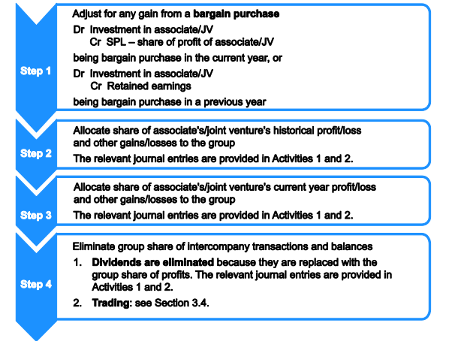
Main
 |  |  |  |  |  |  |  |  |  |  |  |  |  |  |  |  |  |  |  | Goodwill - at acquisition | % Holding | 30%
 |  |  |  |  |  |  |  |  |  |  |  |  |  |  |  | 1 | DR Investment | 799 |  |  | £ | £
 |  |  |  |  |  |  |  |  |  |  |  |  |  |  |  |  | CR Retained earnings/ gain from bargain purchase |  | 799 | Investment |  | 14,000

 | [INSERT COMPANY] plc/ Ltd |  |  |  |  |  |  |  |  |  |  |  |  |  |  |  |  |  |  | Share capital | 18,000.00
 | Statement of financial position |  | 1 |  | 2 |  | 3 |  | 4 |  | 5 |  | 6 |  |  |  |  |  |  | Share premium
 | as at 30 September 2018 | Group | Dr | Cr | Dr | Cr | Dr | Cr | Dr | Cr | Dr | Cr | Dr | Cr | Final |  |  |  |  | Retained Earnings | 27,230.00
 |  | £ | £ | £ | £ | £ | £ | £ | £ | £ | £ | £ | £ | £ | £'000 |  |  |  |  | Reserves | 4,100.00
 | ASSETS |  |  |  |  |  |  |  |  |  |  |  |  |  |  |  |  |  |  |  | 49,330.00 |  | Fully eliminate (inc. gain/loss) Assets granted as part of investment
 | Non-current assets |  |  |  |  |  |  |  |  |  |  |  |  |  |  |  |  |  |  | Group share of net assets (40%) |  | 14,799.00
 | Property, plant and equipment | 4,500 |  |  |  |  |  |  |  |  |  |  |  |  | 4,500 |  |  |  |  | Goodwill |  | -799.00 | If gain from bargain purchase in PY, goes to RE

 | Goodwill |  |  |  |  |  |  |  |  |  |  |  |  |  | -
 |  |  |  |  |  |  |  |  |  |  |  |  |  |  |  | 2 | DR Investment | -107.40 |  | Group share of historical profit
 | Other intangible assets |  |  |  |  |  |  |  |  |  |  |  |  |  | - |  | CR Retained Earnings |  | -107.40 | Retained earnings as at 30 September 2018 |  | 32,960.00
 | Investments in subsidiaries |  |  |  |  |  |  |  |  |  |  |  |  |  | - |  |  |  |  | CY profit |  | 14,128.00
 | Investments in associates/ joint ventures | 100 | 799 | - | 463 | - | 4,238 | - | - | - | - | - |  |  | 5,600 |  | DR Investment | 570 |  | CY dividend |  | 8,040.00
 | Investments in equity instruments |  |  |  |  |  |  |  |  |  |  |  |  |  | - |  | CR Retained Earnings |  | 570 | Retained earnings at acquisition |  | 27,230.00
 |  | 4,600 |  |  |  |  |  |  |  |  |  |  |  |  | 10,100 |  |  |  |  | Increase |  | -358.00
 | Current assets |  |  |  |  |  |  |  |  |  |  |  |  |  |  |  |  |  |  | Group share of historical profit (*0.3) |  | -107.40
 | Inventories | 510 |  |  |  |  |  |  |  |  | - | -54 |  |  | 456
 | Trade receivables | 490 |  |  |  |  |  |  |  |  |  |  |  |  | 490 |  |  |  |  | Increase/(decrease) in revaluation reserve since acquisition |  | 1900
 | Other receivables |  |  |  |  |  |  |  |  |  |  |  |  |  | - |  |  |  |  | Group share (*0.3) |  | 570
 | Cash and cash equivalents | 120 |  |  |  |  |  |  |  |  |  |  |  |  | 120
 |  | 1,120 |  |  |  |  |  |  |  |  |  |  |  |  | 1,066
 | Total assets | 5,720 |  |  |  |  |  |  |  |  |  |  |  |  | 11,166
 |  |  |  |  |  |  |  |  |  |  |  |  |  |  |  | 3 | DR Investment | 4,238.40 |  | NCI share of CY Profit
 | EQUITY AND LIABILITIES |  |  |  |  |  |  |  |  |  |  |  |  |  |  |  | CR SPL - Share of profit of the associate |  | 4,238.40 | Current year profit |  | 14,128.00
 | Equity attributable to owners of the parent |  |  |  |  |  |  |  |  |  |  |  |  |  |  |  |  |  |  | Group share of CY profit |  | 4,238.40
 | Ordinary share capital | 1,000 |  |  |  |  |  |  |  |  |  |  |  |  | 1,000
 | Preference share capital |  |  |  |  |  |  |  |  |  |  |  |  |  | -
 | Share premium | 800 |  |  |  |  |  |  |  |  |  |  |  |  | 800 | 4 | DR SPL - Finance Income | - |  | Intercompany Dividends
 | Revaluation surplus |  |  |  |  |  |  |  |  |  |  |  |  |  | - |  | CR Investment |  | - | Dividend paid
 | Retained earnings | 1,840 | - | - | - | -463 |  |  |  |  |  |  | - | -4,184 | 6,487
 |  |  |  |  |  |  |  |  |  |  |  |  |  |  |  |  |  |  |  | Group share of subsidiary dividend |  | -

 | Other components of equity |  |  |  |  |  |  |  |  |  |  |  |  |  | -
 |  | 3,640 |  |  |  |  |  |  |  |  |  |  |  |  | 8,287
 | Non-controlling interests |  |  |  |  |  |  |  |  |  |  |  |  |  | - | 5 | Downstream: |  |  | Intercompany sales and purchases
 |  |  |  |  |  |  |  |  |  |  |  |  |  |  |  |  | DR SPL - Cost of sales | - |  | JV/Associate -> Group
 |  |  |  |  |  |  |  |  |  |  |  |  |  |  |  |  | CR Investment |  | - | ICO Sales Amount |  | 3,240.00
 | Total equity | 3,640 |  |  |  |  |  |  |  |  |  |  |  |  | 8,287 |  |  |  |  | ICO CoS |  | 2,160.00
 |  |  |  |  |  |  |  |  |  |  |  |  |  |  |  |  |  |  |  | ICO profit |  | 1,080.00
 | Non-current liabilities |  |  |  |  |  |  |  |  |  |  |  |  |  |  |  | Upstream:
 | Long-term borrowings |  |  |  |  |  |  |  |  |  |  |  |  |  | - |  | DR SPL - Share of profit of the associate | 54.00 |  | Sold on to external parties |  | 900.00
 | Deferred tax |  |  |  |  |  |  |  |  |  |  |  |  |  | - |  | CR Inventories |  | 54.00 | Unrealised profit |  | 180.00
 | Long-term provisions |  |  |  |  |  |  |  |  |  |  |  |  |  | -
 | Total non-current liabilities | - |  |  |  |  |  |  |  |  |  |  |  |  | -
 |  |  |  |  |  |  |  |  |  |  |  |  |  |  |  |  |  |  |  | Group Share |  | 54.00
 | Current liabilities
 | Trade and other payables |  |  |  |  |  |  |  |  |  |  |  |  |  | -
 | Short-term borrowings |  |  |  |  |  |  |  |  |  |  |  |  |  | - | 6 | DR SPL | 4,184.40 |  | CY transfer to RE
 | Current portion of long-term borrowings |  |  |  |  |  |  |  |  |  |  |  |  |  | - |  | CR Retained Earnings |  | 4,184.40 | Group share of current year profit |  | 4,238.40
 | Current tax payable |  |  |  |  |  |  |  |  |  |  |  |  |  | - |  |  |  |  | Elimination of ICO dividend |  | -
 | Short-term provisions |  |  |  |  |  |  |  |  |  |  |  |  |  | - |  |  |  |  | Elimination of ICO unrealised profit |  | -54.00
 | Total current liabilities | - |  |  |  |  |  |  |  |  |  |  |  |  | - |  |  |  |  |  |  | 4,184.40
 | Total liabilities | - |  |  |  |  |  |  |  |  |  |  |  |  | -
 | Total equity and liabilities | 3,640 |  |  |  |  |  |  |  |  |  |  |  |  | 8,287

 | [INSERT COMPANY] plc/ Ltd
 | Statement of profit or loss and other comprehensive income |  | 1 |  | 2 |  | 3 |  | 4 |  | 5 |  | 6
 | For the year ended [INSERT Y/E DATE] | Parent | Debit | Credit |  |  |  |  | Debit | Credit | Debit | Credit | Debit | Credit | Final
 |  | £'000 | £'000 | £'000 |  |  |  |  | £'000 | £'000 | £'000 | £'000 | £'000 | £'000 | £'000
 | Revenue | 207,657 |  |  |  |  |  |  |  |  |  |  |  |  | 207,657

 | Cost of sales | 136,249 |  |  |  |  |  |  |  |  | - | - |  |  | 136,249

 | Gross profit | 71,408 |  |  |  |  |  |  |  |  |  |  |  |  | 71,408
 | Other income |  | - | - |  |  |  |  |  |  |  |  |  |  | -

 | Distribution costs | 7,202 |  |  |  |  |  |  |  |  |  |  |  |  | 7,202

 | Administrative expenses | 17,802 |  |  |  |  |  |  |  |  |  |  |  |  | 17,802

 | Other expenses |  |  |  |  |  |  |  |  |  |  |  |  |  | -

 | Finance costs | 6,203 |  |  |  |  |  |  |  |  |  |  |  |  | 6,203

 | Finance income | 6,054 |  |  |  |  |  |  | - | - |  |  |  |  | 6,054

 | Share of profit of associate |  |  |  |  |  | - | -4,238 |  |  | 54 | -
 | Profit/ Loss before tax | 46,255 |  |  |  |  |  |  |  |  |  |  |  |  | 46,255
 | Taxation | 12,102 |  |  |  |  |  |  |  |  |  |  |  |  | 12,102

 | Profit/ Loss for the year from continuing operations | 34,153 |  |  |  |  |  |  |  |  |  |  |  |  | 34,153
 | Loss for the year from discontinued operations
 | PROFIT/ LOSS FOR THE YEAR | 34,153 |  |  |  |  |  |  |  |  |  |  |  |  | 34,153

 | Other comprehensive income:
 | Items that will not be reclassified to profit or loss:
 | Gains on property revaluation |  |  |  |  |  |  |  |  |  |  |  |  |  | -
 | Remeasurements of defined benefit pension plans |  |  |  |  |  |  |  |  |  |  |  |  |  | -
 | Share of other comprehensive income of associates/ joint ventures |  |  |  |  |  |  |  |  |  |  |  |  |  | -
 | Tax relating to items that will not be reclassified |  |  |  |  |  |  |  |  |  |  |  |  |  | -
 |  | - |  |  |  |  |  |  |  |  |  |  |  |  | -
 | Items that may be reclassified subsequently to profit or loss:
 | Exchange differences on translating foreign operations
 | Tax relating to items that may be reclassified
 |  | - |  |  |  |  |  |  |  |  |  |  |  |  | -
 | Other comprehensive income for the year, net of tax | - |  |  |  |  |  |  |  |  |  |  |  |  | -
 | TOTAL COMPREHENSIVE INCOME FOR THE YEAR | 34,153 |  |  |  |  |  |  |  |  |  |  |  |  | 34,153

 | Profit/ Loss attributable to:
 | Owners of the parent |  |  |  |  |  |  |  |  |  |  |  |  |  | 34,359
 | Non-controlling interests |  |  |  |  |  |  |  |  |  | -206 |  |  |  | -206
 |  |  |  |  |  |  |  |  |  |  |  |  |  |  | 34,153
 | Total comprehensive income attributable to:
 | Owners of the parent |  |  |  |  |  |  |  |  |  |  |  |  |  | 34,153
 | Non-controlling interests |  |  |  |  |  |  |  |  |  |  |  |  |  | -
 |  |  |  |  |  |  |  |  |  |  |  |  |  |  | 34,153

 | Earnings per share: |  |  |  |  |  |  |  |  |  |  |  |  |  | p/ share
 | Basic
 | Diluted

Accounting for investments
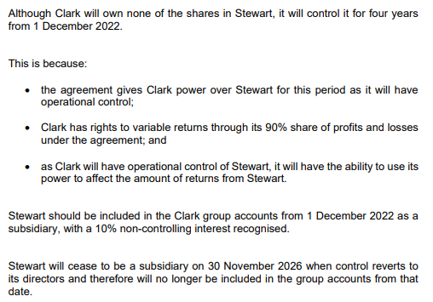
Main
 | Subsidiary: | Calculate % shareholding/ voting power for all
 | Presumed for over 50% of voting rights

 | Evidenced by control, must consider:
 | Power over the investee
 | Exposure or rights to variable returns from involvement with the investee
 | The ability of the investor to use its power over the investee to affect returns

 | Power:
 | Defined as existing rights that give the current ability to direct relevant activities
 | Although rights often come from voting rights, owning xx % is not enough to define power.
 | As have the right to monitor operations and make necessary changes have power through the current ability to direct relevant activities.

 | Exposure or rights to variable returns
 | Right to variable returns through surplus above dividend

 | Use of power to affect returns
 | Can make changes to affect performance, therefore affecting the variable returns received

 | Conclusion: The entity controls the investee through the power it exerts, therefore must be consolidated into the group

 | Joint venture: | IAS 28 equity method need not be applied if the investor is exempt from preparing conslIdated accounts of the associate/JV is classified as held for sale
 | Two or more parties have joint control (requires unanimous consent) | In individual finacial statements the investment is measured at cost, in line with IFRS 9 or using the equity metho
 | Have right to net assets of the arrangement (always a separate legal entity) | Uniform accounting policies should be applied
 |  | Reporting dates should be the same (or no more than 3 months difference with adjustments made as relevant)
 | In the consolidated financial statements, the JV should be accounted for using the equity method.
 | The consolidated financial statements should include a single line item with non-current assets showing the cost of the investment:
 | Less any bargain purchase (if relevant)
 | Adjusted for the groups 25% share of joint venture profits and losses included in the statement of profit or loss since acquisition
 | Adjusted for the groups 25% share of the JVs gains and losses included in the statement of OCI since acquisition
 | Adjusted for any dividends received from the joint venture
 | Adjust for any impairment of investment and groups % of unrealised profits

 | Associate:
 | Presumed for 20-50% shareholding

 | Evidenced by significant influence (e.g. representation on the board). Significant influence is defined as the power to participate in the financial and operating policy decisions of the investee, but is not control or joint control of these policies.
 | A seat on the board would suggest significant influence, as does the fact that the entity purchases/sells products to the investee if this is deemed to be a material amount
 | Does not have control or joint control

 | An investment where there is significant influence is accounted for as an associate in the consolidated statement of finacial position using the equity method.
 | The consolidated financial statements should include a single line item with non-current assets showing the cost of the investment:
 | Less any bargain purchase (if relevant)
 | Adjusted for the groups share of associates profits and losses included in the statement of profit or loss since acquisition
 | Adjusted for the groups share of the associates gains and losses included in the statement of OCI since acquisition
 | Adjusted for any dividends received from the associate
 | Adjust for any impairment of investment and groups % of unrealised profits

 | Financial asset:
 | An investment below 20% is accounted for as an ordinary investment as the entity has no ability to control or direct activities in the company.
 | The investment would be included as a financial asset in the consolidated financial statement of financial position and would be valued at its fair value at year end.

FV Measurement
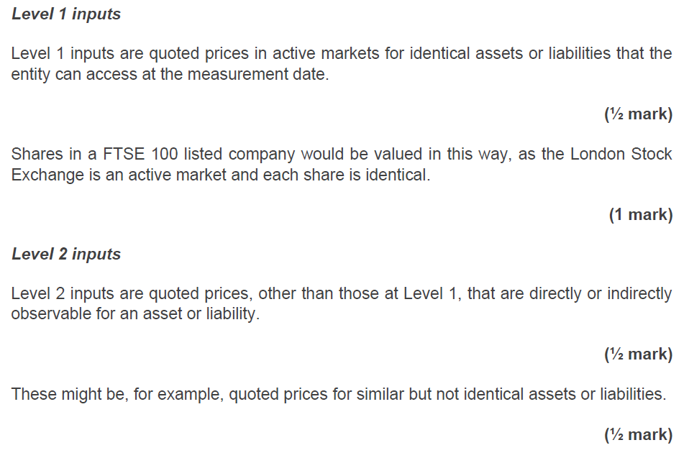
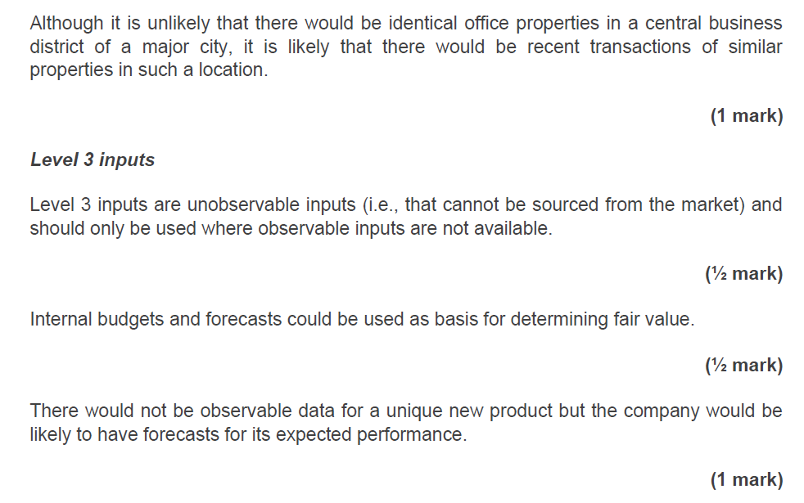
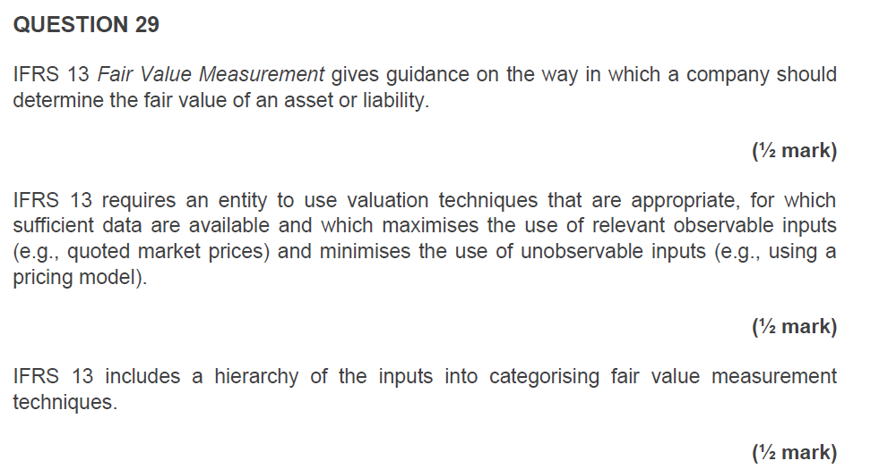
Main

Intangibles
Main
 | NCA Flowchart:
 | Does the asset have physical substance? | No |  |  |  | The … meets the definition of an asset as holding it gives control and it generates economic benefit through…
 | Is the asset controlled from past events and are future benefits expected to arise? | Yes
 | Is the asset separable? | Yes |  |  |  | The brand is identifiable as it is separable
 | Can the cost be measured reliably? | Yes |  |  |  | Purchase cost
 | Does the asset arise from contractual or legal rights? | Yes

 | Conclusion: | Intangible asset

 | Research costs - all expensed through SPL

 | Development costs - MUST be capitalised if all criteria can be demonstrated: |  |  |  | Expand on each |  | IAS 38 intangible assets staets that expenditure that was previously recognised as an expense cannot be recognised as an asset at a later date (p.71). Therefore, the expenditure written off in the PY should remain written off.
 | Development costs should be capitalised from the date that the criteria in IAS 38 are met and continue to be treated as an expense until this point; in this case it appears the criteria are satisfied from […], when the product has proved technical feasability and there is an interest in it in the market. Costs incurred before this date should not be capitalised and so £.... should not be capitalised. Costs to be capitalised should be those arising from the date the criteria are met up until the date the product is launched - £... incurred from .. to .. Costs incurred after this date are no longer development costs and should not be capitalised.

 | There is technical feasability the intangible asset will be complete so it wil be available for use or sale | Met |  |  | Demonstrated when prototype capable of being produced
 | There is intention to complete the intangible asset and use or sell it | Met
 | There is an ability to use or sell the intangible asset | Met |  | i.e. active market | Interest in product/agreement to sell
 | It is clear how the asset will generate probable future economic benefits | Met |  |  | Demonstrated when there is an indication that the product will be sold and that retailers are interest. If not certain, costs cannot be capitalised and should be written off to SPL.
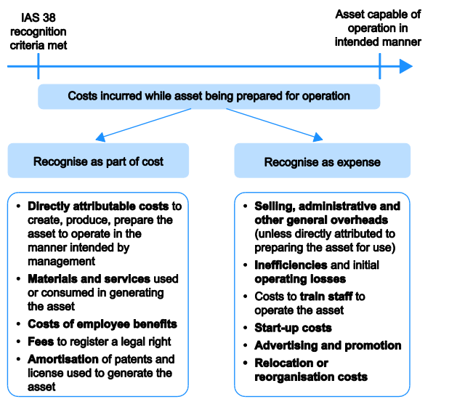
 | There is sufficient availability of adequate technical, financial and other resources to complete the development and to use or sell the intangible asset | Met
 | There is an ability to measure reliably the expenditure attributable to the intangible asset during development | Met

 | Conclusion | Expenditure must be capitalised

 | Expenditure capitalised includes all costs atrributable to the cost of development, being …
 | Any depreciation charge relating directly to development costs should be capitalised but only for the period until the product was ready for operation/launch.
 | Patents should be capitalised as separate intangible assets. For legal fees etc associated with a patent, these should be capitalised separately with the corresponding patent.
 | Capitalised - post meeting criteria | £ |  | SPL - pre 1 Jan |  | £

 |  |  |  |  |  |  |  |  | Intangibles will be recognised on acquisition in business combinations
 |  |  |  |  |  |  |  |  | Trademarks should be expensed if corresponding asset does not yet meet capitalisation criteria.

 | DR Development costs | 0 |  |  |  | 0

 | Intangible assets/capitalised development expenditure should be amortised from the point they are put into use, over the useful life of … years
 | Straight line amortisation

 | Time unit | Months
 | Annual rate | #DIV/0!
 | Useful life
 | Start date
 | End date
 | Number of periods, n (months/years)
 | Rate per period | #DIV/0! |  | For development costs, amortise from when development ceases (inclusive of month)
 | Cost
 | Residual Value | - |  | No RV on patents, brands, mastheads etc as no active market UNLESS there is an agreement to purchase at end of useful life

 | NBV | #DIV/0!
 | Accumulated Amortisation | #DIV/0!
 | Amortisation per period | #DIV/0!

 | Revaluation |  |  |  |  | For upwards revaluation, if there has been a previous revaluation decrease, first CR through the SPL the amount had no initial downward revaluation occurred:

 | Cost - Intangibles
 | Accumulated depreciation | #DIV/0! |  |  |  | Carrying amount had no revaluation occurred
 | NBV | #DIV/0! |  |  |  | Carrying amount on BS (with revaluation)
 |  |  |  |  |  | Reversal of revaluation decrease through SPL |  |  |  | -
 | Revalued Amount
 | Increase/(decrease) in value | #DIV/0! |  |  |  | Total increase in value |  |  |  | #DIV/0!
 | Revaluation is permitted as there is an active market for the asset
 | Any impairment should be charged to the SPL

 | If upward revaluation and no previous revaluation decrease:
 |  | DR | CR |  |  |  | DR | CR
 | DR Accumulated Depreciation | #DIV/0! |  |  |  | DR Accumulated Depreciation | #DIV/0!
 | #DIV/0! | #DIV/0! | #DIV/0! |  |  | DR Cost | #DIV/0!
 | #DIV/0! |  | #DIV/0! |  |  | CR Revaluation Reserve |  | #DIV/0!
 |  |  |  |  |  | CR SPL - reversal of revaluation decrease |  | #DIV/0!

 | Annual transfer to RE |  | #DIV/0!

 | Downward revaulation (and no previous upwards revaluation)
 |  | DR | CR
 | DR SPL - Impairment loss | #DIV/0!
 | CR Intangibles - Accumulated depreciation |  | #DIV/0!

 | Downward revaluation (with previous upwards revaluation)

 | Previously transferred to revaluation reserve |  |  |  | The carrying amount must be compared to the fair value and the revaluation decrease recognised across the prior revaluation surplus and SPL.
 | Transfers to date
 |  |  | -

 | Total downward revaluation

 |  | DR | CR
 | DR revaluation reserve | -
 | DR SPL - revaluation decrease | -
 | DR Accumulated depreciation | #DIV/0!
 | CR Cost |  | -

 | On sale entire revaluation surplus transferred to RE

Tax
Main
 | Year end date |  | 2022-03-31
 | Payment 1 | 2021-10-31 | 2021-10-14 | Adjust to 14th |  |  |  | Profit |  |  | Losses:
 | Payment 2 | 2022-01-31 | 2022-01-14 |  |  |  |  | Adjustments | 194 |  | Can carry back against previous profits
 | Payment 3 | 2022-04-30 | 2022-04-14 |  |  |  |  |  |  |  | An election has been made to carry back the loss, and as the directors are confident it will be successful, the refund on the tax loss should be recognised.
 | Payment 4 | 2022-07-31 | 2022-07-14 |  |  |  |  |  | 194
 |  |  |  |  |  |  |  | Tax at 19% | 36.86 |  | An asset should be recognised in the current year with a corresponding reduction in the taxation expense.
 | CY tax
 | Any unpaid tax for the current period is a liability |  |  |  | Amount paid in year | 2,250
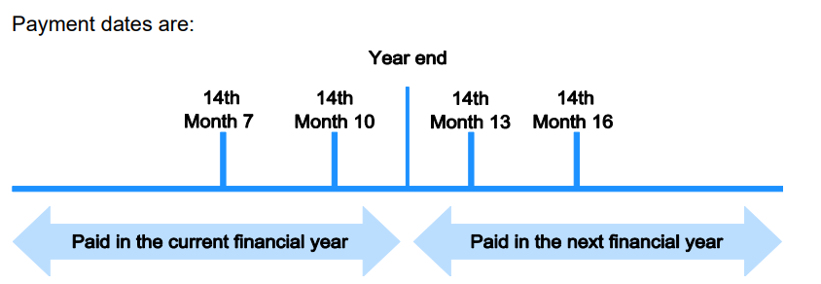
 | Tax expense | 4,500 |  |  | Opening creditor | 2,000 |  | Tax loss | 36.86
 | Paid to date | 2,250 |  |  | Over/(under) provision | (250)

 | DR SPL - Taxation | 4,500
 | CR Bank |  | 2,250 |  | DR SPL - Taxation | 250 | 0 | DR Other receivables | 36.86
 | CR Current Tax payable |  | 2,250 |  | CR Current tax payable | 0 | 250 | CR SPL - Taxation |  | 36.86

 |  |  |  |  | Tax refunds:
 |  |  |  |  | The tax refund represents an over-provision of a prior year taxation expense. Adjustments to a PY tax charge are made in the CY SPL.
 |  |  |  |  | The adjustment is a result of a change in estimate and is not an error - a correction must be made in the current year to reclassify the tax refund - no restrospective restatement is required.
 |  |  |  |  | Refunds on over/underpayments go to SPL - taxation

 | VAT
 | VAT must be included in trade receivables/payables and excluded from the SPL

Deferred tax
Main

 | Historical cost PPE
 | DTA/DTL | DTL

 | Year ended | Carrying amount | Tax base | Taxable temporary difference | DTL
 |  | £'000 | £'000 | £'000 | £'000
 |  | 900.00 | 820.00 | 80.00
 | 31-Mar-13 | 40,000,000.00 | 28,000,000.00 | 12,000,000.00 | 2,040,000

 |  |  |  |  | 2,040,000.00

 | CR DTL | 2,040,000.00
 | DR SPL - Taxation | 2,040,000.00

 | Revaluation surplus
 | DTA/DTL | DTL

 | Year ended | Carrying amount | Tax base | Taxable temporary difference | DTL
 |  | £'000 | £'000 | £'000 | £'000

 |  |  | - | - | -

 |  |  |  |  | -

 | #N/A | - | -
 | #N/A | - | -

 | Share based payment liability
 | DTA/DTL | DTA

 | Year ended | Carrying amount | Tax base | Deductible temporary difference | DTA
 |  | £'000 | £'000 | £'000 | £'000

 |  |  | - | - | -

 |  |  |  |  | -

 | #N/A | - | -
 | #N/A | - | -

 | Pension liability
 | DTA/DTL | DTA

 | Year ended | Carrying amount | Tax base | Deductible temporary difference | DTA
 |  | £'000 | £'000 | £'000 | £'000

 |  |  | - | - | -

 |  |  |  |  | -

 | #N/A | - | -
 | #N/A | - | - |  |  | Deferred tax assets may be recognised for deductible temporary differences to the extent that it is probable that there will be future taxable profits against which the asset can be utilised. IAS 12 Taxtion states that it is probable that future taxable profits will be available when there are sufficient taxable temporary differences

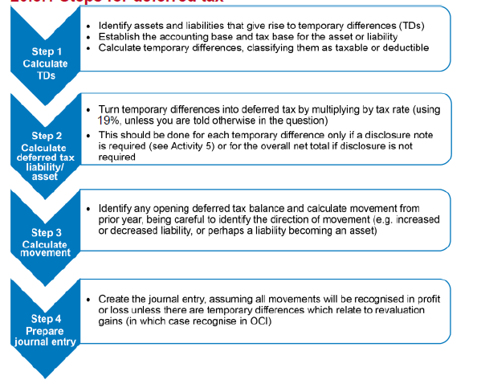
 |  |  |  |  |  | As there are £0 of taxable temporary differences as at …, all deductible differences can be recognised
 | DT rate | 25%
 |  | Carrying amount | Tax base | Taxable/ (deductible) temporary difference | (DTA)/Liability
 | PPE - Historical cost |  |  | 0 | 0
 | Land - rollover gain |  |  | 0 | 0
 | PPE CA v TWDW |  |  | 0 | 0
 | Cash settled SBP liabilities |  |  | 0 | 0 | Non current liabilities are a deductible temporary difference for share based payments - as it is not due to bw paid within 9 months of the end of the financial year it will be deductbile against CY profits
 | Pension liabilities |  |  | 0 | 0 | Deductible when paid
 | Pension surplus |  |  | 0 | 0 | Will make less contributions in future - liability
 | Tax loss |  |  | 0 | 0 | Tax losses can also be recognised to the extent of the existence of taxable temporary differences. From above, £0 of taxable losses would be covered by such differences. This would leave … of losses, creating a potential DTA.
 |  |  |  |  | 0
 |  |  |  |  |  |  | Taxable trading losses can be carrried back, provided:
 | Closing revaluation surplus |  |  | 0 | 0 | To recognise a DTA in respect of remaining losses, the company must be able to show that losses aris from identifiable causes that are unlikely to recur and that it is probable that it will have future taxable profits to use the tax losses against. Losses arose from ... (identifiable cause unliekly to recur) and budgets indicate the company will return to profitability next year (probable taxable profits). Therefore, a DTA can be recognised for the remaining losses. |  | Recognition if:
 |  |  |  |  |  |  |  | Cause of losses identified
 | PY DTL in respect of revaluation surplus |  |  |  |  |  |  | Not expected to recur
 | Adjustment to DTL relating to revaluation surplus |  | 0 |  |  |  |  | Company budgets indicate future taxable profits

 | Total DTL/(DTA) |  | 0
 | Balance as at start of year (DTL /(DTA))

 | Movement |  | 0 |  |  | Positve is negative movement. Double check if moves from an asset to a liability

 | CR DTL/DTA | 0 | 0
 | DR Revaluation surplus | 0 | 0
 | CR SPL - Taxation | 0 | 0 |  |  | Balancing entry

Directors remuneration
Main
 |  |  |  |  | Do not include fees for directors of joint ventures/associates
 | Directors | Salary | Bonus | Benefits | Fees | Other | LTIS | Gains on share options | Total emoluments |  | Loss of office payments | Pension contributions - defined contribution | Accrued pension - defined benefit
 |  | £ | £ | £ | £ | £ | £ | £ | £ |  | £ | £ | £
 | Mx Brooklyn | 0 |  | 0 | 19 | 42.00 | - | 45 | 106.00 |  |  |  | -
 | Mx Cruz | 135 |  | 24 | 11 |  | 12.00 | 60 | 242.00 |  |  | 15
 | Mx Romeo | 114 |  | 23 | 12 |  | 10.00 | 90 | 249.00 | Highest paid director |  | 24
 | Mx Harper | 45 |  | 8 | 3 |  | 4.00 | 0 | 60.00 |  | 29 | 9
 |  |  |  |  |  |  |  |  | -
 |  |  |  |  |  |  |  |  | -
 |  |  |  |  |  |  |  |  | -
 |  | 294.00 | - | 55.00 | 45.00 | 42.00 | 26.00 | 195.00 | 657.00 |  | 29.00 | 48.00 | -

 |  |  |  |  |  |  |  |  |  |  |  | Don’t include remuneration for defined benefit employees
 | Workings:
 | Emoluments
 | Salary |  | 294.00
 | Bonus |  | -
 | Benefits in kind |  | 55.00
 | Fees |  | 45.00 |  | Aggregate emoluments : |  |  |  |  |  | Share option schemes - expense in year is allocated to each director (remember if in question)
 | Fee from subsidiary company |  | 42.00
 |  |  | 436.00 |  |  | 657.00 | (remuneration + LTIS + gains on share options)

 | Highest paid director's emoluments
 | Salary |  | 114.00 |  | Details of the highest paid director should be disclosed if aggregate emoluments are in excess of £200,000:
 | Bonus |  | - |  | Total emoluments exceed £200,000? |  |  | Yes
 | Benefits in kind |  | 23.00 |  | Conclusion |  |  | Disclose Highest Paid Director
 | Fees |  | 12.00
 | Gains on exercise on share options |  | 90.00
 | Long-term incentive scheme |  | 10.00
 | Other - NAME |  | -
 | Emoluments |  | 249.00

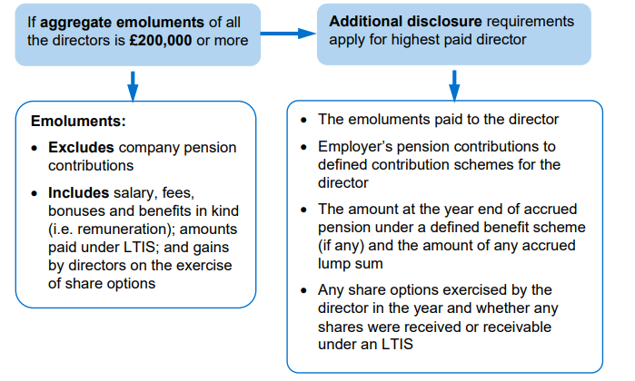
 | Disclosure notes
 | Directors remuneration comprised:
 | Remuneration |  | 436.00
 | Long term incentive scheme |  | 26.00
 | Pension costs |  | 48.00 |  | Defined contribution
 | Aggregate directors remuneration |  | 510.00

 | 3 directors are members of the defined contribution pension scheme
 | 1 directors are members of the defined benefit pension scheme

 | The remuneration of the highest paid director included:
 | Emoluments |  | 249.00
 | Pension costs |  | 24.00
 | Remuneration of highest paid director |  | 273.00

 | 3 of the directors have share options accruing at the year end. The exercies date of these options is xx/xx/xx
 | Compensation for loss of office of a director amounted to £29 which consisted of …

 | The highest paid director exercised … share options of the company [- these were received under an LTIS]
 | The highest paid director had amounts accrued under a DBS of £ |  |  | 0

Provisions
Main
 |  |  | Explanation
 | Does a present obligation exist as a result of past events? | No |  | Constructive obligation due to .... . Legal obligation to… therefore provision is appropriate Expand on what the past event is. | Even though it is a future cost, it relates to past events i.e. dilapidations occuring during the lease |  |  |  |  | The relocation of a business activity from one region to another is defined as an example of restructuring The amalgamation has been approved by the board and communicated to the affected employees by year end and so there is a constructive obligation because of a past event It is probable there will be an outflow of resources for restructuring and redundancy costs and a reliable estimate can be made
 | Is it probable that a future outflow of resources embodying economic benefits will be required to settle the obligation? | No |  |  | It is not probable there will be an outflow of resources as the entity is in a sound financial state (no provision therefore recognised however a contingent liability may be disclosed for the balance outstanding, unless the likelihood of falling into financial difficulty is remote)
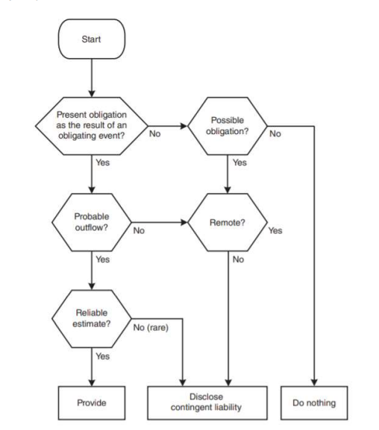
 | Can a reliable estimate be made of the amount of the obligation? | No |  |  | For costs paid pre year end there is no future outflow of resources and so no further accounting adjustments required

 | The required outflow at xx/xx/xx should be estimated using the best estimate of the expected outflow of economic resources. |  |  |  | There is an legal obligation from past sales to meet valid warranty claims - based on past experience it is probable that these will arise and an estimate of the amount can be made.
 | This is based on past experience of [the percentage of sales which are returned.]
 | Expected Value | 3,500

 |  |  |  |  |  | Warranty relating to year ended | Estimate | Units | Cost | ST Provision | LT Provision
 | Most likely outcome- weighted average of possible outcomes |  |  |  |  |  |  |  | £ | £'000 | £'000
 | Scenario | Amount |  | Probability | Weighted
 | 1 |  |  |  | -
 | 2 |  |  |  | -
 | 3 |  |  |  | - | Closing provisions |  |  |  | 0 | 0
 |  |  |  |  | -
 |  |  |  |  |  | Opening provision
 | As the time value of money is material, the PV of expected expenditure is receorded as a provision: |  |  |  |  | Utilised during year
 | Expectation | 3,500.00 |  |  |  | Adjusted opening provisions |  |  |  | 0 | 0
 | Discount rate |  |  |  |  | Increase/decrease |  |  |  | 0 | 0
 | n |  | years

 | Discounted Provision | 3,500.00 | (3500/(1 + )^) |  |  |  |  |  |  |  |  | Legal requirement to make improvements to factories - currently no obligating past event if improvements have not taken place and costs could be avoided if were to close factories. In addition, if unclear what the repercussions will be then a provision should not be created.
 | Annual Finance costs | -

 | The balance due should be recorded as a provision/adjustment to the exiting provision in the statement of financial position
 | Provision as at balance sheet date
 | DR SPL | 3,500.00
 | CR Provision |  | 3,500.00 |  |  |  |  |  |  |  |  | Reimbursements (insurance etc)- Credit to same account as expense/ DR other receivables
 |  |  |  |  |  |  |  |  |  |  |  | Once formally accepted can reduce expense
 | The unwinding of the discount must be calculated - this represents a finance cost.
 | Annual movement in provision |  |  |  |  |  |  |  |  |  |  | Insurance company not formally accepted - contingent asset as still uncertainty, brief description of claim and estimate of financial effect
 | DR SPL Finance costs | -
 | CR provision |  | -

 | The discount on the provision must be unwound for the CY and the movement recognised in finance costs.
 | Unwinding of discount
 | PY balance
 | Discount rate
 |  | 0
 |  | DR | CR
 |  | £ | £
 | DR SPL - Finance costs | 0
 | CR provision |  | 0

 | There continues to be an obligation as it is still probable a future payment will be required. A provision should continue to be recognised but should be measured in accordance with the updated estimated cost.
 | Finance costs (unwinding of discount should be based on the opening balance and the disocunt rate of ..
 | The change in estimate (difference between opening balance plus finance costs and revised closing balance) bmust then be calculated and recognised as [... Costs].
 | Change in estimate
 | Provision at revision date |  | -
 | New discounted provision |  | 3,500.00
 |  |  | 3,500.00

 |  | DR | CR
 |  | £ | £
 | DR SPL - decomissioning costs | 3,500.00
 | CR provision |  | 3,500.00

 | The provision will be presented as a [non-current/current liability] on the SoFP.

 | Loss making contract?
 |  | £'000
 | Transaction price
 | Revenue recognised to date | -
 | Revenue not yet recognised | 0

 | Unavoidable future costs
 | Provision for onerous contract | 0

 | The contract was entered into before year end, creating an obligation to fulfil the contract by…
 | The contract becomes 'onerous' as the unavoidable costs of meeting the obligations under the contract exceed the economic benefits expected to be received
 | A present obligation exists because of …. [ the significant deterioration in market conditions]
 | As this is an onerous (i.e. loss making) contract, sufficient cost of sales and a provision must be recognised to account for the loss immediately.
 | The provision should be recognised at the least net cost of exiting the contract (lower of unavoidable costs or cancellation charge)
 | A provision should therefore be recognised for …, which is less than …

 |  | DR | CR
 |  | £ | £
 | DR CoS | 0
 | CR Provision for onerous contract |  | 0

 | Settlement of a provision
 | As the legal obligation has been settled, no liability exists and the provision is no longer required
 | The amount paid must be utilised against the provision
 | The provision is no longer required and therefore the balance of the provision/ payment should be released to the relevant SPL account.

Financial Assets
Main
 | Financial Asset Classification: |  | Financial asset - debt |  |  |  |  |  |  | Receipts from bond/mortgages are cash flows of solely principal (i.e. final repayment) and interest and it is the intention to hold them until maturity, therefore thhe asset is classified at amortised cost. At initial recognition, the bond/mortgage is recognised at FV plus acquisition costs and must be removed from xxx suspense account.
 | The contractual terms of the asset give rise on specific dates to cash flows that are solely payments of principle and interest on the principal outstanding? |  | Contractual cash flows intention | Intention to hold to maturity |  | Non-hedging derivative - FVTPL
 | No | Debt | Classification | AC |  | Bond - Amortised cost
 | Measure at FVTPL | Can elect to classify financial assets (equity) using FVTOCI when not held for trading

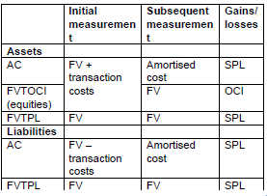
 |  |  | The … are a financial asset as there is a contractual obligation to receive cash in the form of …
 |  |  | There has been/has been no election to classify the investment at FVTOCI

 | Amortised Cost
 | Loan - through AC
 | Principal amount | 6,168 | Receipts are cash flows of solely principal (ie. Final repayment) and interest and it is the intention to hold them until maturity and so the asset is classified as amortised cost
 | Issue amount (at discount/premium) | 6,168 | At initial recognition the asset is recognised at fair value plus the acquisition costs
 | Capitalised fees | - | The amortised cost method requires effective interest to be added to the opening asset, and nominal payments made deducted.
 | Nominal interest | 5.00% | Effective interest is calculated by multiplying the outstanding asset by the effective interest rate.
 | Effective interest | 8.20% | Should be prorated if issued throughout the year.
 | Payable in | arrears
 |  |  |  |  |  |  |  |  |  | The calculation of finance income should be based on the total cost and any payments received should be credited to the asset.
 | Year ended | Opening balance | Effective interest | Nominal Interest/ dividends | Closing balance
 |  | £ | £ | £ | £
 | 2020-12-30 | 6,168.00 | 505.78 | -308 | 6,365.38
 | 2021-12-30 | 6,365.38 | 521.96 | -308 | 6,578.94
 | 2022-12-30 | 6,578.94 | 539.47 | -308 | 6,810.01
 | 2023-12-30 | 6,810.01 | 558.42 | -308 | 7,060.03
 | 2024-12-29 | 7,060.03 | 578.92 | -308 | 7,330.55
 | 2025-12-29 | 7,330.55 | 601.11 | -308 | 7,623.26

 | Non-current loan payable | 6,578.94
 | Current loan payable | -213.56 | SHOW CALC
 | Lease payable at year end | 6,365.38

 | Effective interest should be recognised as finance income through the SPL
 | DR mortgage bonds | 506
 | CR SPL - finance income |  | 506 |  | Derecognition:
 |  |  |  |  | The right to cash flows from the asset have expired (through settlement, lapse or cancellation)
 | DR cash | 308 |  |  | Rights to receive cash flows from the asset have been transferred along with substantially all risks and rewards of ownership
 | CR mortgage bonds |  | 308 |  | Company has assumed an obligation to pay the cash flows from the asset on to another party and substantially all risks and rewards of ownership have been transferred

 | DR revenue | 4200 |  |  | Risks and rewards are transferred where the companys exposure to variability in the amounts and timing of the PV of the net cash flows of the asset no longer significant in relation to total variability
 | CR bonds |  | 4000
 | CR gain on sale |  | 200 |  | If continuing to recognise and proceeds have been received then the proceeds received on transfer should be accounted for as a financial liability

 | Sale of shares - OCI
 | Shares should be derecognised as they have been sold and so no further economic benefit will be received. |  |  |  |  | Revaluation of shares - OCI
 | Prior to disposal, one final valuation of the shares is made based on the selling price and the revaluation recognised in equity. |  |  |  |  | The investment should be remeasured at year end to the fair value, using the bid price of…
 | As the shares are classified as fair value through OCI, the related revaluation surplus must be released to retained earnings to realise the full gain/loss on diisposal, |  |  |  |  | The fair value gain/loss would be recognised as a revaluation surplus surplus/deficit and reported through other comprehensive income.
 | The investment must be removed from the SoFP.
 | The only loss in respect of the sale will be any selling costs incurred (and any release from equity)

 | FV at acquisition |  |  |  |  | FV at acquisition |  | 900,000.00 | =3*300000
 | FV at start of year |  | 900,000.00 |  |  | FV at year end |  | 1,008,000.00 | =3.36*300000
 | Previous revaluations (revaluation reserve/deficit) |  | 900,000.00 |  |  | Gain/(loss) |  | 108,000.00

 | FV at point of sale (selling price) |  | 980,000
 | Revaluation |  | 80,000 |  |  | CR Revaluation surplus | - | 108,000 |  | SURPLUS or DEFICIT
 |  |  |  |  |  | DR Investment | 108,000 | -
 | CR Revaluation surplus/deficit | - | 80,000 | For FVTPL, revalue through SPL |  |  |  |  |  | For FVTPL, revalue through SPL
 | DR Investment | 80,000 | -

 | DR Cash and cash equivalents | 980,000
 | CR Investment in shares |  | 980,000

 | DR Revaluation surplus/deficit | 980,000.00
 | CR Retained earnings |  | 980,000.00

 | Costs of disposal:
 | DR Admin expenses | 74000
 | CR Cash |  | 74000

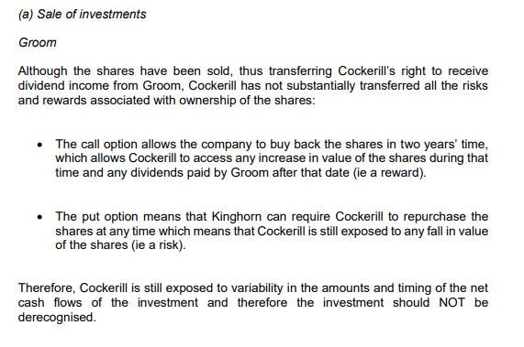

 | Sale of shares - FVTPL
 | Shares should be derecognised as they have been sold and so no further economic benefit will be received.
 | Prior to disposal, one final valuation of the shares is made based on the selling price and the revaluation recognised in equity.
 | As the shares are classified as fair value through FVTPL, the related gain/loss should be recognised in the SPL.
 | The investment must be removed from the SoFP.

 | FV at acquisition |  | 960.00 | =400*2.4
 | FV at start of year |  | 1,801.00

 | FV at point of sale (selling price) |  | 1,848
 | Revaluation |  | 47

 | DR SPL - loss on revaluation | - | 47
 | CR Investment | 47 | -

 | DR Cash and cash equivalents | -1,152
 | DR SPL - Administrative expenses | 74
 | CR Investment in shares |  | 1,848

Financial Liabilities
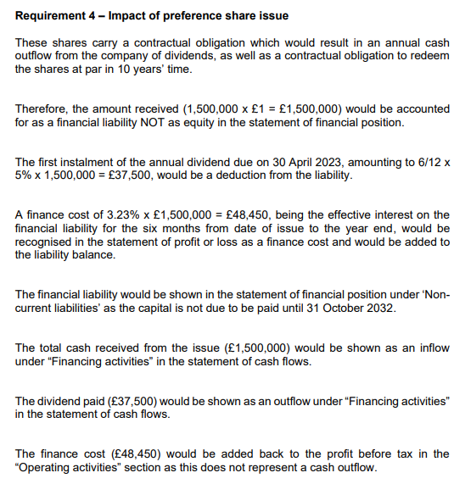
Main
 | Financial Liabilities |  |  |  | Non-hedging derivative - FVTPL
 | Nature | Other | Can be designated FVTPL to eliminate accounting mismatch |  | Bond - Amortised cost
 | Classification | Amortised cost

 | Equity
 | Ordinary Shares |  |  |  | Interest, dividends, gains and losses are recognised according to classification (SPL if related to a liability and in equity if related to an equity instrument)
 | Preference Shares | Mandatory Dividend | Liability (Preference shares - non current liabilities)

 | The … are a financial liability as there is a contractual obligation to deliver cash in the form of …

 | Amortised Cost
 | Loan - through AC
 | Principal amount | 5,000
 | Issue amount (at discount/premium) | 5,030
 | Capitalised fees
 | Nominal interest | 3.50% | The amortised cost method requires effective interest to be added to the opening liability, and nominal payments made against the bonds deducted from this.
 | Effective interest | 2.88% | Effective interest is calculated by multiplying the outstanding liability by the effective interest rate (show calc)
 | Payable in | arrears | Should be prorated if issued throughout the year.

 | Year ended | Opening balance | Effective interest | Nominal Interest/ dividends | Closing balance
 |  | £ | £ | £ | £
 | 2021-04-30 | 5,030 | 145 | (175) | 5,000
 | 2022-04-30 | 5,000 | 144 | (175) | 4,969
 | 2023-04-30 | 4,969 | 143 | (175) | 4,937
 | 2024-04-29 | 4,937 | 142 | (175) | 4,904
 | 2025-04-29 | 4,904 | 141 | (175) | 4,870
 | 2026-04-29 | 4,870 | 140 | (175) | 4,836

 | Non-current loan payable | 4,969
 | Current loan payable | 31 | SHOW CALC
 | Lease payable at year end | 5,000

 | Adjustment required = | 144.864-175 = £-30.136

 | CR bonds |  | 145
 | DR SPL - finance expense | 145
 |  |  |  |  | (Better to post as one entry)
 | CR cash | 175
 | DR mortgage bonds |  | 175

 | Redemption:
 | CR cash |  | 4,200,000
 | Dr bond liability | 4,249,184
 | DR/CR gain on redemption |  | 49,184

 | The redeemed debentures/bonds should be derecognised as they have been cancelled, thus extinguishing the obligation.
 | The gain/loss on redemption should be recorded in profit or loss.

 | FVPTL - Derivatives
 | Financial asset/liability as contractual right to exchange financial instruments under potentially favourable/unfavourable conditions
 | This is a forward contract and is an example of a non-hedging derivative
 | Financial instrument is recognised when the entity becomes party to the contractual provisions - in this instance when the fair value changes.
 | Non-hedging derivatives are classified as fair value through profit or loss. Transaction costs must be written off to the statement of profit or loss and removed from the suspense account.
 | Forward contract should be valued at its fair value at year end - a fair value gain/loss is recognised in profit or loss as the movement in exchange rates is favourable/unfavourable.
 | A derivative liability should be created within current liabilities specifically if it will be settled within 12 months of the year end.
 | Derognise if exercised or expires
 |  | £
 | Contract purchase price
 | Fair value at reporting date
 |  | -

 | Conversion of bonds
 |  |  |  |  |  | Original journal
 | Convertible bonds combine a financial liability (the obligation to pay interest and principal) and an equity instrument (the option to convert into shares) |  |  |  |  | DR SPL - bank
 | The two elements must be classified separately within [non-current/current liabilities] specifically and in equity. |  |  |  |  | CR bonds
 |  |  |  |  |  | CR Reserve for convertible bonds
 | Reserve for convertible bonds | 500.00 | The reserve for convertible bonds is recorded as the difference between the issue price and FV of similar bond without conversion rights
 | Convertible bonds carrying amount | 3,500.00 | The original value for the bond is measured as the FV of a similar bond without conversion rights
 | % of bonds converted | 70% | Derecognise when right is converted or lapsed
 | Shares redeemed =3/5*5000*0.7 | 2,100.00 | Upon conversion, a correction must be made to record the equity elements and eliminate the repayment in cash recorded.
 | Share value | 0.5 | The convertible bond reserve must be released to retained earnings in accordance with accounting policy.

 | The convertible debt liability should be derecognised - amounts redeemed for cash should be recorded as a reduction in the liability balance
 | The liability converted should be converted into ordinary shares, with the amount over nominal value being recorded as share premium.
 | DR bond liability | 1,050.00
 | CR Share premium (or cash - delete as appropriate) |  | 1,050.00

 | DR bond liability | 2,450.00
 | CR share capital |  | 1,050.00
 | CR share premium |  | 1,400.00

 | At the maturity date, the reserve for convertible bonds is transferred to retained earnings:
 | DR Reserve for convertible bonds | 500.00
 | CR Retained earnings |  | 500.00

ECL
Main
 | As the loan is classified as amortised costs, expected credit losses must be evaluated at the year end and the loss allowance updated.
 | The PV of the 12 month/lifetime expected credit losses must be compared to the opening loss allowance and only the increase/decrease should be accounted for in the current year.

 | Loan principal | 600,000.00
 | Stage of ECL | 1 | 12 month ECL
 | Effective interest rate | 6.25%
 | Current provision | -
 | As there has been no significant increase in credit risk since initial recognition, the 12 month expected credit losses should be calculated by using the weighted average of estimated credit losses with respective risks of default
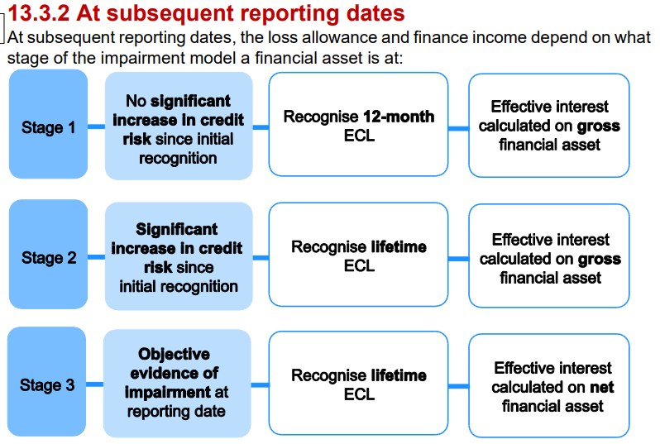
 | Lifetime/ 12 month expected credit losses are measured at the probability weighted present value of cash shortfalls on interest and the principal
 |  | Cash shortfall | n | PVF | PV | Probability | Weighted Average
 |  | 400,000.00 | 4.00 | 0.78 | 313,865.97 | 1.00% | 3,138.66
 |  | 200,000.00 | 4.00 | 0.78 | 156,932.99 | 4.00% | 6,277.32 |  | Discount back interest payments by expected amount
 |  |  | 1.00 | 0.94 | - | 100.00% | -
 |  |  | 2.00 | 0.89 | - | 100.00% | -
 |  |  | 3.00 | 0.83 | - | 100.00% | -
 |  |  |  |  |  |  | 9,415.98
 | Lifetime/12 month expected credit losses are compared to the opening loss allowance and movements in the balance accounted for as at …
 | PY PV of cash shortfall |  |  | 0.00
 | CY PV of cash shortfall |  |  | 9,415.98
 |  |  |  | 9,415.98

 | DR SPL - impairment loss |  |  | 9,415.98 | -
 | CR Loss Allowance |  |  | - | 9,415.98

 | Finance Income |  |  |  |  | For stage 3 income, finance income is calculated on the net balance. |  | For loans classified as amortised cost only, expected credit losses must be evaluated at the year end and the loss allowance updated.
 | DR loan receivable |  |  | 37,500.00 |  |  |  | The PBV of [12 month/lifetime] expected credit lossed must be compared to the opening loss allowance and only the increase should be accounted for in the CY.
 | CR SPL - Finance Income |  |  |  | 37,500.00 |  |  | The loss allowance will be netted off against the loan receiviable to give a single balance on the statement of financial position of [..]

 | The loss allowance will be netted off against the loan receivable to give a single balance on the statement of financial position of … |  |  |  |  |  |  | Significant increase in credit risk (stage 2)
 |  |  |  |  |  |  |  | Increase in risk of default, indicated by actual or expected decline in borrowers operating results, adverse changes in conditions or environment, downgrade in borrowers credit rating
 |  |  |  |  |  |  |  | Presumed where contractual payments are more than 30 days past due

 |  |  |  |  |  |  |  | Objective evidence of impairment (stage 3)
 |  |  |  |  |  |  |  | Significant financial difficulty
 |  |  |  |  |  |  |  | Breach of contract
 |  |  |  |  |  |  |  | Probable the borrower will enter bankruptcy

Control over an entity
Main
 | We must consider which entity has control by considering: | Structured entity - has been designed so that voting or similar rights are not the dominant factor in deciding who controls the entity.
 | Power over the investee | If a structured entity is 'controlled' by another, then it should be included in any consolidated financial statements of the controlling entity.
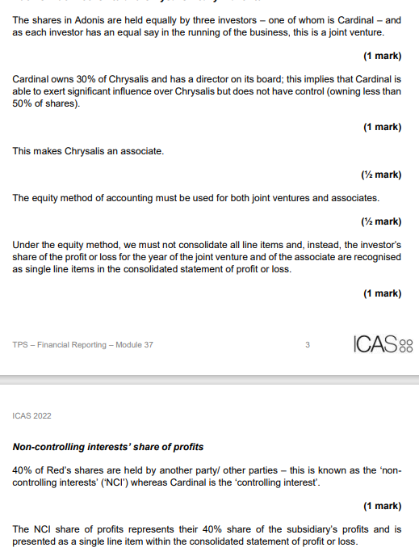
 | Exposure or rights to variable returns from involvement with the investee
 | The ability of the investor to use its power over the investee to affect returns | e.g. charitable trust

 | Power
 | Power is defined as existing rights that give the current ability to direct relevant activities

 | Voting rights
 | As .. Own more than 50% of voting rights

 | Structured entities:
 | Although rights often come from voting rights, owning 100% of the share capital is not enough to define power. The entity retained the right to monitor the operation of the subsidiary and to make necessary changes, and so have power through the current ability to direct relevant activities.

 | Exposure or rights to variable returns
 | Entity has rights to variable returns through a surplus above a dividend

 | Structured entities:
 | Bank effectlively receives a repayment of the loan with interest through the dividend payment

 | Use of power to affect returns
 | As the entity can make changes to the business to affect performance, this affects returns through the surplus received each year.

 | Conclusion
 | .. Controls … through the power that it exerts, therefore … must be consolidated into the group.

SCF (Indirect)
Main
 | [INSERT COMPANY] plc/ Ltd |  |  |  |  | CY | PY
 | Statement of cash flows |  |  | Cash and cash equivalents |  | £'000 | £'000
 | For the year ended [INSERT Y/E DATE] |  |  | Cash and cash equivalents within current assets |  | 2,680 | 1,868
 |  | £'000 | £'000 | Bank overdraft |  | (7,885) | (9,817)
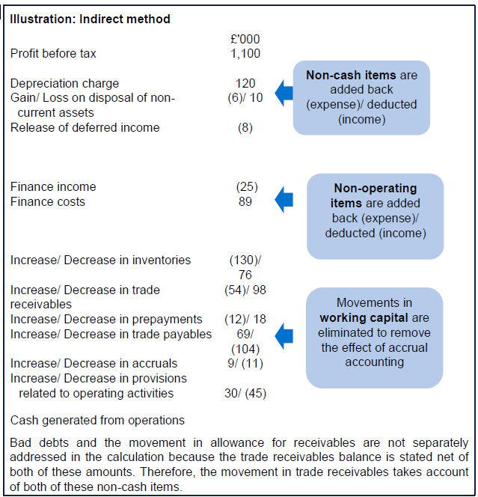
 | Cash flows from operating activities |  |  |  |  | (5,205) | (7,949)
 | Profit/ Loss before taxation | (1,727)
 | Adjustments for: |  |  | Working capital movements
 | Depreciation of non-current assets |  |  |  | Inventories | Trade and other receivables | Trade and other payables | Provisions
 | Amortisation of non-current assets |  |  |  | £'000 | £'000 | £'000 | £'000 |  | Account for effect of accrued finance costs etc that are not payable in cash
 | Gain on sale of non-current assets |  |  | Opening | 19,059 | 7,736 | 13,517 | 7,183 |  | i.e. foreign exchange gains, non-cash considerations
 | Loss on sale of non-current assets |  |  | Non-cash items
 | Fair value gain |  |  | Closing | 21,658 | 13,702 | 24,132 | 5,769
 | Fair value loss |  |  | Increase/(Decrease) | 2,599 | 5,966 | 10,615 | (1,414)
 | Foreign exchange gain |  |  | Cash generated from operations = |  |  |  | (17,766)
 | Foreign exchange loss
 | Release of deferred income
 | Finance income |  |  | Account for movements in accruals, inventories, prepayments, provisions etc (can separate out)
 | Finance costs
 |  | (1,727) |  | Interest paid
 | Increase in inventories | (2,599) |  | Opening accrued finance costs |  |  | 168
 | Increase in trade and other receivables | (5,966) |  | Finance costs |  |  | 2,856
 | Increase in trade and other payables | 10,615 |  | Nominal payments
 | Decrease in provisions | (1,414) |  | Debentures
 | Cash generated from operations | (1,091) |  | Loans
 | Interest paid | (3,024) |  | Less Effective interest
 | Taxes paid | (1,519) |  |  |  |  | 3,024
 | Net cash from/ used in operating activities |  | (5,634) | Closing accrued finance costs |  |  | 0
 |  |  |  | Interest paid |  |  | 3,024
 | Cash flows from investing activities
 | Acquisition of subsidiary, net of cash acquired |  |  | Taxes paid
 | Disposal of subsidiary, net of cash disposed |  |  | Opening current tax payable |  | 1,254
 | Purchase of non-current assets | (10,413) |  | Opening deferred tax |  |  | 1,254
 | Proceeds from sale of non-current assets | 0 |  | Taxation |  |  | 145
 | Purchase of other investments | 0 |  |  |  |  | 1,399
 | Proceeds from sale of other investments |  |  | Closing current tax payable |  | (120)
 | Interest received | 0 |  | Closing deferred tax |  |  | (120)
 | Dividends received | 0 |  | Taxes paid |  |  | 1,519
 | Net cash from/ used in investing activities |  | (10,413)
 |  |  |  | Purchase of PPE
 | Cash flows from financing activities |  |  | Opening carrying amount |  |  | 35,519
 | Proceeds from issue of share capital | 7,500 |  | Revaluation increase/(impairment loss)
 | Purchase of share capital |  |  | Less Depreciation charge |  |  | 2,703 | =498+12+2193
 | Proceeds from issue of debt | 0 |  | Less disposals (carrying amount)
 | Proceeds from long-term borrowings | 0 |  | RoU assets under new leases
 | Payment/ Redemption of long-term borrowings | 0 |  |  |  |  | 32,816
 | Payment of lease liabilities | 0 |  | Closing carrying amount |  |  | 43,229
 | Financing by sale of investment (not derecognised) |  |  | Purchase of PPE |  |  | 10,413
 | Lease financing received (lease payable)
 | Dividends paid | 0 |  | Proceeds from sale of PPE
 | Net cash from/ used in investing activities |  | 7,500 | Carrying amount |  |  | 0
 |  |  |  | Loss/(gain) on disposal
 | Net increase/ decrease in cash and cash equivalents |  | (8,547) | Proceeds from sale of PPE |  |  | 0
 | Cash and cash equivalents at [INSERT FIRST DAY OF YEAR] |  | (7,949)
 | Cash and cash equivalents at [INSERT Y/E DATE] |  | (5,205)
 |  |  |  | Interest received
 |  | 11,291 |  | Opening accrued finance income |  |  | 0
 |  |  |  | Finance income |  |  | 0
 |  |  |  | Less effective interest
 |  |  |  | Nominal receipt
 |  |  |  |  |  |  | 0
 |  |  |  | Closing accrued finance income |  |  | 0
 |  |  |  | Interest received |  |  | 0

 |  |  |  | Dividends paid
 |  |  |  | Opening retained earnings
 |  |  |  | Profit for the year
 |  |  |  | Issue of bonus shares
 |  |  |  | Release of reserves (non cash)
 |  |  |  |  |  |  | 0
 |  |  |  | Closing retained earnings
 |  |  |  | Dividends paid |  |  | 0

 |  |  |  | Dividends received

 |  |  |  | Proceeds from issue of share capital
 |  |  |  | Gross proceeds |  |  | 7,500 | =1.25*6000
 |  |  |  | Issue costs
 |  |  |  | Proceeds from issue of share capital |  |  | 7,500

 |  |  |  | Proceeds from long term borrowings
 |  |  |  | Opening debentures
 |  |  |  | Derecognition of debentures
 |  |  |  | Proceeds from issue of debt
 |  |  |  | Closing debentures
 |  |  |  | Proceeds from long term borrowings |  |  | 0

 |  |  |  | Purchase of investments
 |  |  |  | Opening investments
 |  |  |  | Revaluation gains
 |  |  |  |  |  |  | 0
 |  |  |  | Closing investments
 |  |  |  | Purchase of investments |  |  | 0
 |  |  |  |  |  |  |  |  | Remember transaction fees
 |  |  |  | Proceeds from sale of investments
 |  |  |  | Opening investments
 |  |  |  | Fari value increase
 |  |  |  |  |  |  | 0 |  | Include both long term and current loans payable
 |  |  |  | Closing investments |  |  |  |  | PPE borrowing cost loans drawn down
 |  |  |  | Carrying amount of investments sold |  |  | 0
 |  |  |  | Gain on sale of investments |  |  | 0
 |  |  |  | Proceeds from sale of investments |  |  | 0

 |  |  |  | Payment of long-term borrowings
 |  |  |  | Opening loan payable
 |  |  |  | Proceeds from issue of LT borrowings
 |  |  |  |  |  |  | 0
 |  |  |  | Closing loan payable
 |  |  |  | Payment of long-term borrowings |  |  | 0

 |  |  |  | Payment of lease liabilities
 |  |  |  | Opening lease payable |  |  | 0
 |  |  |  | New lease |  |  | 55
 |  |  |  |  |  |  | 55
 |  |  |  | Closing lease payable |  |  | 55
 |  |  |  | Payment of lease liabilities |  |  | 0

 |  |  |  | Purchase of Intangibles
 |  |  |  | Opening carrying amount
 |  |  |  | Revaluation increase
 |  |  |  | Less amortisation charge
 |  |  |  | Less disposals (carrying amount)
 |  |  |  |  |  |  | 0
 |  |  |  | Closing carrying amount |  |  | 0
 |  |  |  | Purchase of PPE |  |  | 0

Staff costs
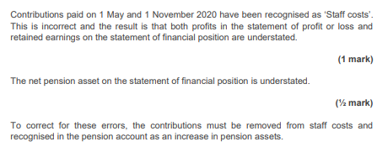
Main
 | Defined benefit pension plan: |  |  | CY | PY | Defined contribution pension plan: |  |  |  | Short term staff costs: |  |  | Profit Sharing scheme:
 | Assets (market value) |  |  | 25,231 | 29,700 | Employee % payable |  | 3% |  | Wages and salaries (gross) |  | 3306 | PBT
 | PV of obligation (acturial value) |  |  | 24,632 | 25,200 | Employer % payable |  | 10% |  | Employers NI |  | 439 | % Payment
 | Net pension asset |  |  | 599 | 4,500 | Total salaries |  | 16,000.00 | Weighted avg. if applicable | PAYE contributions |  | 969 |  | 0
 |  |  |  |  |  |  |  |  |  | Employee NI deductions |  |  | NI | 0.00
 | Discount/interest rate |  |  |  | 4.80% | Total employee contributions |  | 480.00 | (accounted for as part of bank payment) | Amounts outstanding to HMRC |  | 174.00
 | Current service cost (%*Salaries in year) |  |  |  | 0 | Total employer contributions |  | 1,600.00
 | Contributions in year |  |  |  | 0 |  |  |  |  | Journal:
 | Past service cost contributions |  |  |  | 4,100 | Owing to pension plan at period end
 | Past service cost additional liability |  |  |  | 4,300 |  |  |  |  |  | £ | £ |  | £ | £
 | Benefit payments |  |  |  | 0 |  |  |  |  | DR Staff costs | 3,745.00 |  | DR staff cost | 0.00
 | Transfers out |  |  |  |  |  |  |  |  | CR HMRC creditor |  | 174.00 | CR accrued staff costs |  | 0.00
 | Reduction in FV of obligation due to transfer |  |  |  |  |  | £ | £ |  | CR Bank |  | 3,571.00
 | Gain/(Loss) on transfer |  | = - |  | 0 | DR staff costs | 1,600.00
 |  |  |  |  |  | CR bank |  | 1,600.00
 | Step 1 - Contributions |  |  |  |  | CR Pension liability |  | - | Only amount in SoFP are unpaid or prepaid contributions
 |  |  |  | £ | £
 | DR Pension account (assets) |  |  | 4,100 |  | The contributions should be recognised in the pension account as an increase in pension assets
 | CR SPL - Admin expenses |  |  |  | 4,100 | Contributions paid have been recorded in the SPL - this is incorrect and the result is that both profits in the statement of profit ot loss and retained earnings on the SoFP are understated
 |  |  |  |  |  | The net pension asset on the SoFP is over/understated

 | Step 2 - Benefit/Transfer payments
 |  |  |  | 0 | 0
 | DR Pension account (obligation) |  |  | 0
 | CR Pension account (assets) |  |  |  | 0
 | being benefit payment

 | Step 3 - Service Cost
 | Current and past service costs should be charge to the SPL and credited against the pension obligation
 | DR SPL - Staff costs |  |  | 4,300
 | CR Pension account (obligation) |  |  |  | 4,300

 | Step 4 - Interest
 | Finance income is recognised for asset/obligation balances across the year at the applicable interest rate
 |  |  |  | Pension assets | Pension obligations
 |  |  | Pro- rata % | £ | £
 | Opening balance |  |  | 29,700 | 25,200
 | Contributions | 2022-04-01 | 0% | 0 | 0
 | Past service costs |  | 0% | 0 | 0
 | Benefit payments |  | 50% | 0 | 0
 | Benefit payments |  | 100% | 4,100
 | Transfers |  |  | 0 | 0
 | Adjusted balance |  |  | 33,800 | 25,200
 | Finance income on assets/costs on obligation |  |  | 1,622 | 1,210
 |  |  |  | 33800 * 4.8% | 25200 * 4.8%
 | Net income/(cost) |  |  |  | 413

 | DR Pension account (assets) |  |  | 1,622
 | CR Pension account (obligation) |  |  |  | 1,210
 | CR SPL - Finance income |  |  | 0 | 413

 | Step 5 - remeasurements
 |  |  |  | Fair value of pension assets | Present value of pension obligation
 |  |  |  | £ | £
 | Opening balance |  |  | 29,700 | 25,200
 | Contributions |  |  | 4,100
 | Benefit payments |  |  | 0 | 0
 | Transfers |  |  | 0 | 0
 | Current service cost |  |  |  | 0
 | Past service cost |  |  |  | 4,300
 | Interest |  |  | 1,622 | 1,210
 |  |  |  | 35,422 | 30,710
 | Closing balance |  |  | 25,231 | 24,632
 | Remeasurement gain/ Actuarial loss |  |  | -10,191 | -6,078

 | Net gain/(loss) = | -10191.4 - -6077.6 = £-4113.8
 |  |  |  | £ | £
 | CR Pension account (assets) |  |  |  | 10,191
 | DR Pension account (obligation) |  |  | 6,078
 | DR Retained earnings |  |  | 4,114 | 0

 | The total costs under the DB plan is the current service cost less the net interest income:
 | Total defined benefit pension expense |  |  |  | 3,887

 | OCI:
 | Items that will not be reclassified to profit or loss:
 | Remeasurement of defined benefit pension plan - gain/(loss) |  |  |  | -4,114

 | Non-current assets
 | Pension surplus |  |  |  | 599 | Net pension asset/liability is recognised as a non-current item - under the DB plan the company is responsible for for liabilities and can benefit from the assets in the plan.,

 | Non-current liabilties
 | Pension obligation |  |  |  | 0

 | Analyse effect of SPL and SoFP of errors:

Repurchase of shares
Main
 | Step 1 - Consider legality |  |  |  |  | New issue
 | Distributable profits |  |  |  |  |  | Par | Premium
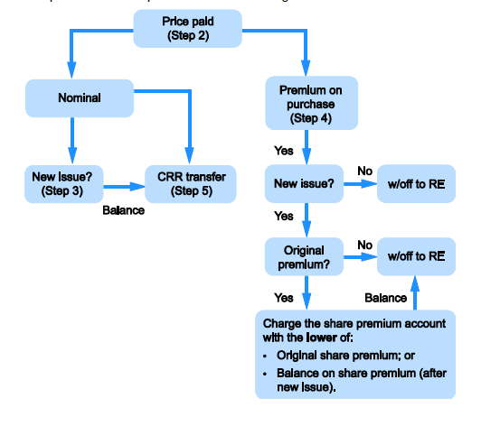
 | Proceeds from new issue |  | £0
 |  |  | £0
 | Consideration for repurchase |  | £150 |  |  |  |  |  | Assume that if distributable profits plus proceeds of new issue > repurchase then purchase is legal

 | The Companies Act 2006 states that a share buyback is allowed if the Articles of Association do not prohibit it
 | Furthermore, there must be sufficient distributable profits to fund the purchase.
 | Sufficient distributable profits are required for any necessary write off premium on purchase any any necessary transfer to the capital redemption reserve.
 | Distributable profits of 0 are less than the purchase price of 150 and so the purchase is not legal

 | Step 2 - Record the Purchase
 | Shares repurchased by company (#) |  | 500
 | Nominal value |  | £0

 | Nominal value of shares |  | £50
 | Premium on purchase |  | £100

 | DR Share capital |  | £50
 | DR Premium on purchase |  | £100
 | CR cash |  |  | £150

 | Step 3 - Record any new issue
 | Share capital | * £ |  | £0 |  | Issue costs should be debited against share premium
 | Share premium | * £ |  | £0
 | Proceeds from issue of shares |  |  | £0

 | DR Bank |  | £0
 | CR Share capital |  |  | £0
 | CR Share premium |  |  | £0

 | Step 4 - Eliminate any premium on purchase
 | Shares issued to fund purchase? |  |  | No
 | As there has been a new issue of shares to fund the purchase, and as the shares being purchased were initially issued at a premium, share premium may be used to elimate the premium on purchase
 | The lower of the original share premium and the balance on share premium may be used
 | OR as the share being purchased were originally issed at par, all the premium on purchase must be written off to retained earnings
 | OR because there has been no new issue of shares made, the premium paid over the nominal value must be taken to retained earnings and cannot be offset against the share premium account created on the original isse

 | Original share premium (repurchased shares) |  |  | £40.00 |  | In respect of repurchased shares

 | BS share premium |  |  | £3,750.00
 | Share premium from new issue |  |  | £0
 | Balance on share premium |  |  | £3,750.00

 | The remaining premium on purchase is written off against distributable profits
 | DR Share premium |  | £0
 | DR Retained earnings |  | £100
 | CR Premium on purchase |  |  | £100

 | Step 5 - Replace the nominal value of shares purchased
 | Because there has been no new issue of shares made, the nominal value of the shares purchased must be replaced as permanent capital from distributable profits by creating a 'Capital redemption reserve'

 | Purchase of shares |  |  | £50
 | Issue of shares |  |  | £0
 | Net Increase/(decrease) in permanent capital |  |  | -£50 | =(0-50)

 | DR Retained earnings |  | £50
 | CR Capital redemption reserve |  |  | £50

 | Private company exceptions:
 | The companies Act 2006 requires permanent capital to be maintained, but there is an exception to this rule for private limited companies only. Private limited companies may make purchases out of permanent capital, subject to a series of additional safeguards designed to protect the interests of creditors.
 | The basic safeguard limits the reduction in permanent capital to the smallest amount possible and is known as the permissible capital payment

Issue of shares
Main
 | Rights issue |  |  |  |  |  | DR share issue costs to SPL if not sufficient share premium
 | Ratio | 1 | : | 10
 | Price | 0.31
 | Shares in issue | 62,500.00
 | Uptake | 90%
 | Par value of shares | £0

 | New shares issued (#) | 5,625.00 |  | =62500/10*1*0.9
 | Proceeds | 1,743.75

 | Share capital (£0.1*5625) | 562.50
 | Share premium | -3,881.25
 | Proceeds | -3,318.75

 | DR other income | -3,318.75
 | CR Share capital |  |  | 562.50
 | CR Share premium |  |  | -3,881.25

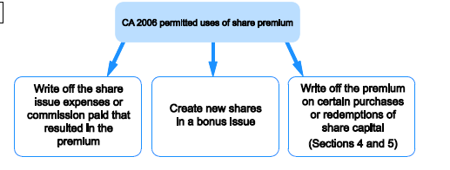
 | Issue of shares |  |  |  |  | Ensure full amount of issue costs written against share premium for issue
 | Shares issued | 1,500.00
 | Par value | £1
 | Issue price
 | Issue costs

 | DR Cash | -
 | DR SPL - Issue costs | -
 | CR Share capital |  |  | 1,500.00
 | CR Share premium |  |  | -1,500.00

 | Bonus Issue
 | An issue of bonus shares is a conversion of reserves (in this case, "Retained earnings") into share capital and no consideration is received
 | The nominal value of shares must be removed from Retained earnings to create share capital
 | Ratio |  | :

 | Number of shares in issue |  |  |  | Remember any new issues as per question
 | Par value

 | Number of bonus shares issued | #DIV/0! |  | = (/*)

 | CR Share Capital |  |  | #DIV/0!
 | DR Retained earnings | #DIV/0!

